Explanation
No. | Item | Description | Reference(example) | Remark
1900-01-01 | Transmitter | Name of the ECU sending a specific signal. | ABS
1900-01-02 | Receiver | Name of the ECU(s) receiving a specific signal. | IP
1900-01-03 | Signal name | Name of signal. The signal name will be visible in API and in CAN bus monitoring tool.. Note! Spaces are not allowed in the signal names. | VehicleSpd
1900-01-04 | Signal description | A short description of the signal. | Current Vehicle speed information (when v < 1 kph, set value to 0.)
1900-01-05 | Used by function | What is the CAN signal used for and which control function uses it. Please give a brief description of the control function. | "VehicleSpd" is used by IP to display current vehicle speed
1900-01-06 | Message Name | Name of a specific CAN frame containing the signal. Note: Spaces are not allowed in the message names | ABS_1
1900-01-07 | Message ID | Hexadecimal value of the specific CAN frame’s CAN Identifier. The format shall be 0x.. | 0x13B
1900-01-08 | Message Type | Message send Type. Allowed values: P - Periodic; E - Event; M - Mixed Periodic/Event | periodic
1900-01-09 | Signal Type | The signal transmission type is entered here. The following types are allowed: P - Periodic; E - Event; M - Mixed Periodic/Event. when the Message type is M,but the signal in the CAN frame may be P. | periodic
1900-01-10 | Detailed description of E/M Messages' sending behavior Tx | The transmitter's behavior. If the message type is E or M, then the Transmitter detailedly describes when and how to send E or M Messages. | When the events occurred, if the event is caused by the signal "PEPS_StrtAuthReq", event message PEPS1 only be sent once, otherwise PEPS1 will be sent 5 times(50ms).
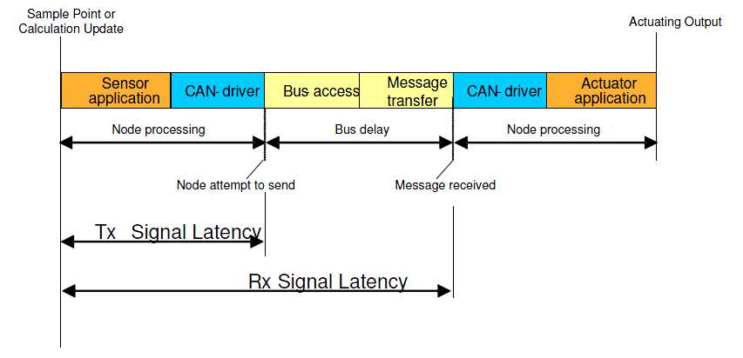
1900-01-11 | Detailed description of E/M Messages' sending behavior Rx | The Receiver's requirement. If the message type is E or M, then the Receiver detailedly describes it's requirement of when and how to send E or M Messages. | When the events occurred, PEPS1 should be sent 5 times(50ms).
1900-01-12 | period | Period time (ms) for message type M and P; For the mixed/event message, if the event happens, it must be transmitted 5 times continuously, and the cycle time of the 5 continuous message must be defined(if the ECU has special requirement,eg.when event happens,it transmitted only once, this special situation must be described in Comment column ). | Example: For the mixed message, it is defined as 500/20, When no event happens,the Period time is 500ms,When the event happens,the cycle time of the 5 continuous message is 20ms; For the event message, it is defined as E/20, When no event happens,no signal Transmitted,When the event happens,the Period time is 20ms;
1900-01-13 | Signal latency budget Tx | The transmitting ECU's Tx latency budget. Tx signal latency is the transmitting ECU's internal latency. It is from the time the signal is sampled (or measured or calculated) to the time the ECU attempts to send the signal on CAN.
1900-01-14 | Signal latency budget Rx | The receiving ECU's Rx latency requirement. Rx latency is from the time the signal is sampled (or measured or calculated) to the time the signal has arrived to the CAN driver of the receiving ECU.
1900-01-15 | DLC | Data Length Code defining the shortest accepted length of a CAN frame received, and the length of a CAN frame to be transmitted. The dlc value used shall be 8 | 1900-01-08
1900-01-16 | Msb | Location of the signal's most significant bit in the CAN frame. Note: bit #63 = [byte 1, bit 7] in the CAN frame, and bit# 0 = [byte 8, bit 0] in the CAN frame. A CAN frame shorter than 8 bytes will always have bit#63 in the first byte. | 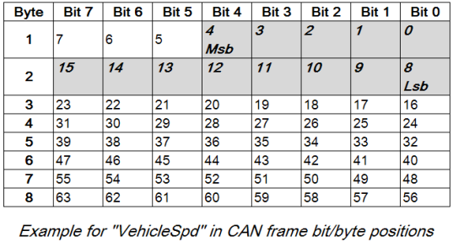
1900-01-17 | Lsb | Location of the signal's least significant bit in the CAN frame.
1900-01-18 | Size | Size of the signal in number of bits | 16bits
1900-01-19 | Byte Orde | Motorola or Intel | Motorola
1900-01-20 | Data type | This column indicates the signal data type. Allowed data types are: "Unsigned/Signed". | Unsigned
1900-01-21 | First valid signal duration(ms) Tx | The budget duration of transmitting ECU from its start of CAN initialization to transmitting the first valid signal. | 1s
1900-01-22 | First valid signal duration(ms) Rx | The requirement duration of receiving ECU from the transmiting ECU's start of CAN initialization to transmitting the first valid signal. | 1.5s
1900-01-23 | Default Initialised value | This column is used to enter the default value at start-up, or when no signal is available. The value shall be entered in computerized value in hex format. | 0h
1900-01-24 | Alternative Signal Value | The alternative signal value: if physical measured or calculated values are not any longer available. This alternative signal has a value out of the specified signal value range. It is also allowed to use the last measured value as alternative signal value. This Value is entered here by Transmitter ,then receiver check it.The value shall be entered in computerized value in hex format. | Last value
1900-01-25 | Factor | The scaling factor of the signal. The value is in engineering unit per bit. | 0.05625
1900-01-26 | Measured Resolution Tx | This is the resolution of the signal after signal conditioning (Linearization, filtering…). For the transmitting ECU the obtainable resolution should be entered. | 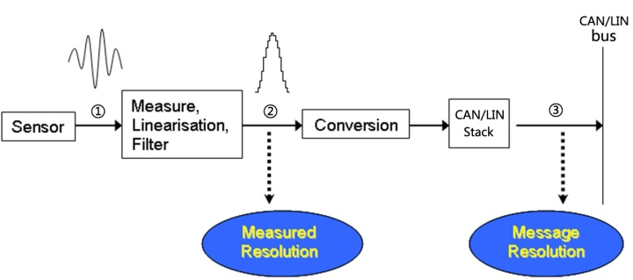 0.05 km/h
1900-01-27 | Measured Resolution Rx | This is the resolution of the signal after signal conditioning (Linearization, filtering…). For the receiving ECU the required resolution should be entered. | 0.05625 km/h
1900-01-28 | Accuracy Tx | The signal's accuracy of the transmitting ECU's budget. | <0.01 km/h
1900-01-29 | Accuracy Rx | The signal's accuracy of the receiving ECU's requirement. | <0.05625 km/h
1900-01-30 | Offset | The offset of the signal value. | 0
1900-01-31 | P-Minimum | The Minimum physical value | 0km/h
1900-02-01 | P-Maximum | The Maximum physical value | 300km/h
1900-02-02 | Uniform definition of units | unit name | unit symbol
 |  | meter | m
 |  | second | s
 |  | volt | V
 |  | moment of force | Nm
 |  | degree Celsius | °C
 |  | Kilometer | km
 |  | Kilometer per hour | km/h
 |  | angle degree | °
 |  | angle degree per second | °/s
 |  | the acceleration of gravity | g
 |  | percentage | %
 |  | minute | min
 |  | revolutions per minute | rpm
 |  | kilopascal | kPa
 |  | microlitre | μL
1900-02-03 | Signal Reserved Value | The signal reserved value is used when the value range of signal is not defined completely, and the remainder filed(bits) will be as reserved value for the future use. | 0x1901~0x7FFE:Reserved
1900-02-04 | Coding | This column describes the coding of the signals. To calculate the engineering value the following formula is used: E = N*Factor + Offset, where E is the engineering or physical value calculated. 'Not available' will be added into the signal coding. The signal shall be set to this value when it is not supported by a specific variant but the message shall still be transmitted. If the complete message is deleted in a variant then the 'Not Available' coding will not be used. | 0x0000-0x14D5:Valid 0x14D6~0x1FFE:Reserved 0x1FFF:Invalid
1900-02-05 | Signal Group | This column is used to specify signal group.A signal group consists of two or more signals,which shall be synchronously written to and read from the Interaction Layer and synchronously transmitted and received over the CAN bus. A signal group is contained within one CAN frame. | A_ABSgrp
1900-02-06 | Variant and options | If the signal only exists for or is needed by some variant of the ECU, this shall be stated here. | ESP, ABS

